Packing List
PACKING LIST
 |  |  |  |  |  |  |  |  | FRIGHT TERM |  |  | : COLLECT.
PORT OF LOADING |  |  |  |  |  |  |  |  | FINAL DESTINATION
CHITTAGONG,BANGLADESH.
VESSEL & VOY.NO: |  |  |  |  |  |  |  |  |  |  | SAILING ON ABOUT
SHIPPING MARKS |  | DESCRIPTION OF GOODS:
MAIN MARK |  | READYMADE GARMENTS-.
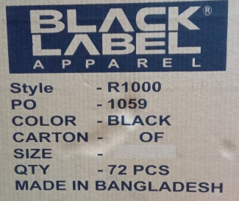
 |  | MEN'S CREW NECK BLACK TEE SHIRT.
 |  | HS CODE: 6109.10.00 |  |  |  | FABRICATIONS: 100% COTTON.
 |  | CARTON SERIAL NUMBER |  |  | ITEM DISCRIPTION | MASTER PO | STYLE# | SIZE RANGE |  | PC QTY / CTN | COLOR | ODRER QTY/PC | SHIP QTY/PC | SHIP CTN QTY | EX./SHORT SHIP QTY/PC | N.WT. IN KGS | GR.WT. IN KGS | CTN. MEST. IN INCH |  |  |  |  | CBM
 |  | 1 | - | 68 | MEN'S CREW NECK BLACK TEE SHIRT | OP0914PO02 (1060) | R1000 | XS |  | 72 | BLACK | 5544 | 4896 | 68 | -648 | 516.80 | 618.80 | 23.0 | X | 15.0 | X | 10.5 | 4.04

SIDE MARK: |  | 69 | - | 216 | MEN'S CREW NECK BLACK TEE SHIRT | OP0914PO02 (1060) | R1000 | S |  | 72 | BLACK | 11520 | 10656 | 148 | -864 | 1272.80 | 1509.60 | 23.0 | X | 15.0 | X | 10.5 | 8.79

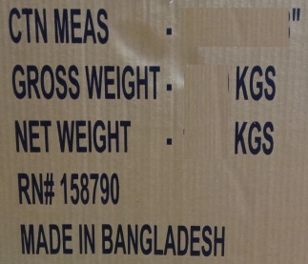
 |  | 217 | - | 487 | MEN'S CREW NECK BLACK TEE SHIRT | OP0914PO02 (1060) | R1000 | M |  | 72 | BLACK | 22104 | 19512 | 271 | -2592 | 2737.10 | 3143.60 | 23.0 | X | 15.0 | X | 10.5 | 16.09

 |  | 488 | - | 758 | MEN'S CREW NECK BLACK TEE SHIRT | OP0914PO02 (1060) | R1000 | L |  | 72 | BLACK | 22104 | 19512 | 271 | -2592 | 3116.50 | 3550.10 | 23.0 | X | 15.0 | X | 10.5 | 16.09

 |  | 759 | - | 892 | MEN'S CREW NECK BLACK TEE SHIRT | OP0914PO02 (1060) | R1000 | XL |  | 72 | BLACK | 11088 | 9648 | 134 | -1440 | 1728.60 | 1943.00 | 23.0 | X | 14.9 | X | 12.5 | 9.43

 |  | 893 | - | 961 | MEN'S CREW NECK BLACK TEE SHIRT | OP0914PO02 (1060) | R1000 | 2XL |  | 72 | BLACK | 5544 | 4968 | 69 | -576 | 1041.90 | 1152.30 | 23.0 | X | 14.0 | X | 12.5 | 4.55

 |  | 962 | - | 987 | MEN'S CREW NECK BLACK TEE SHIRT | OP0914PO02 (1060) | R1000 | 3XL |  | 72 | BLACK | 2160 | 1872 | 26 | -288 | 426.40 | 468.00 | 23.0 | X | 14.0 | X | 12.5 | 1.71

 |  | 988 | - | 988 | MEN'S CREW NECK BLACK TEE SHIRT | OP0914PO02 (1060) | R1000 | 3XL |  | 20 | BLACK |  | 20 | 1 | 20 | 2.00 | 3.00 | 23.0 | X | 15.0 | X | 10.0 | 0.06
 |  | TOTAL |  |  |  |  |  |  |  |  |  | 80,064 | 71084 | 988.00 | -8980.00 | 10842.10 | 12388.30 |  |  |  |  |  | 60.75
 |  | UNIT |  |  |  |  |  |  |  |  |  | PCS | PCS | CTN | PCS | KGS | KGS |  |  |  |  |  | CBM

 | SUMMARY SHEET
 | TOTAL ORDER QTY |  |  |  | 80,064 | PCS
 | TOTAL SHIP QTY |  |  |  | 71084 | PCS
 | TOTAL SHIP CARTON QTY |  |  |  | 988.00 | CTN
 | TTL. NET WEIGHT |  |  |  | 10842.10 | KGS
 | TTL. GROSS WEIGHT |  |  |  | 12388.30 | KGS
 | TOTAL CBM |  |  |  | 60.75 | CBM

